INFO-Layout types
For reference, these are the layout options that Matrix Booking currently supports when completing the ROOMS tab.

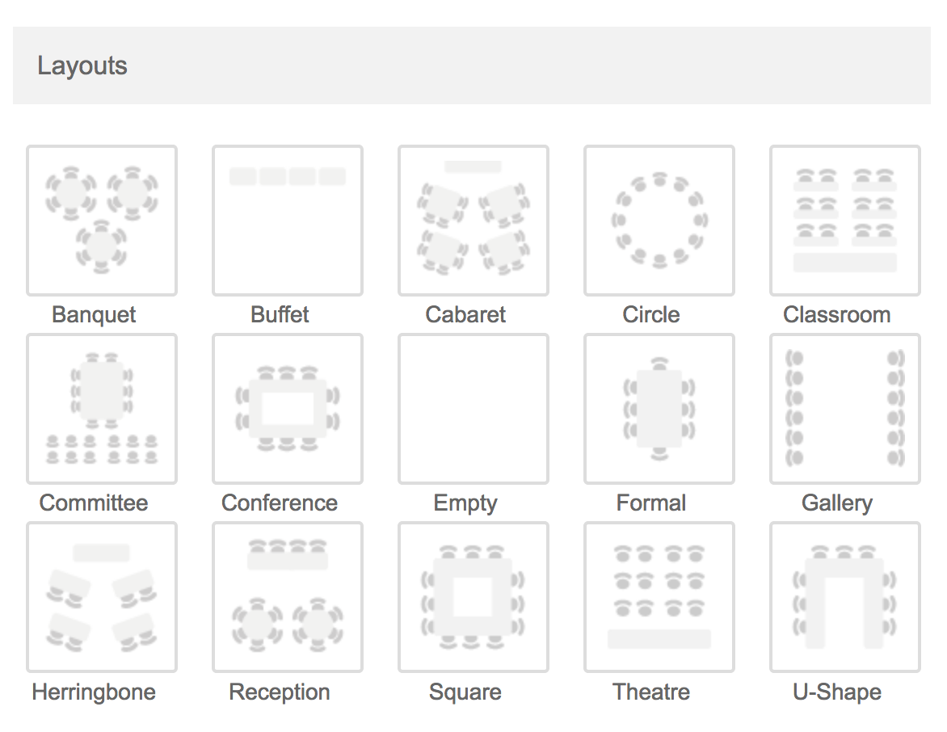

 | PLEASE SELECT
 | Banquet
 | Buffet
 | Cabaret
 | Circle
 | Classroom
 | Committee
 | Conference
 | Empty
 | Formal
 | Gallery
 | Herringbone
 | Reception
 | Square
 | Theatre
 | U-Shape

INFO-Room facilities
For reference, these are the room facilities that Matrix Booking currently supports when completing the ROOMS tab.

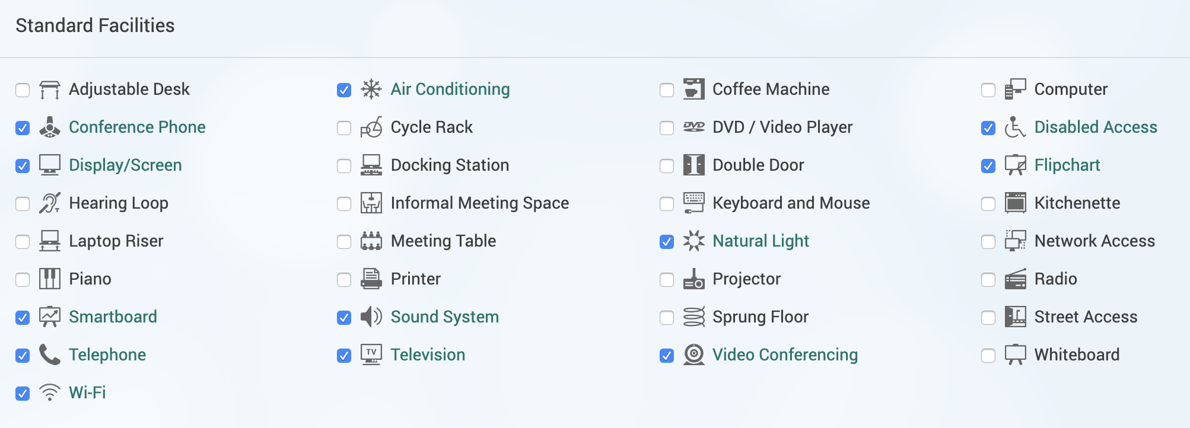
 | PLEASE SELECT
 | Adjustable Desk
 | Air conditioning
 | Coffee machine
 | Computer
 | Conference phone
 | Cycle rack
 | DVD Player
 | Disabled Access
 | Display / Screen
 | Docking Station
 | Double Door
 | Flipchart
 | Hearing Loop
 | Informal Meeting Space
 | Keyboard and Mouse
 | Kichenette
 | Laptop Riser
 | Meeting Table
 | Natural Light
 | Network Access
 | Piano
 | Printer
 | Projector
 | Radio
 | Smartboard
 | Sound System
 | Sprung Floor
 | Street Access
 | Telephone
 | Television
 | Video Conferencing
 | Whiteboard
 | Wifi

